Sheet1
RPI TO AGS PINOUT

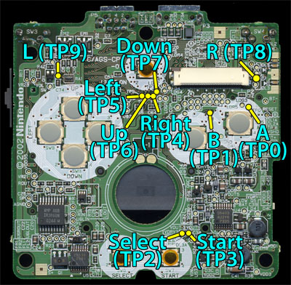
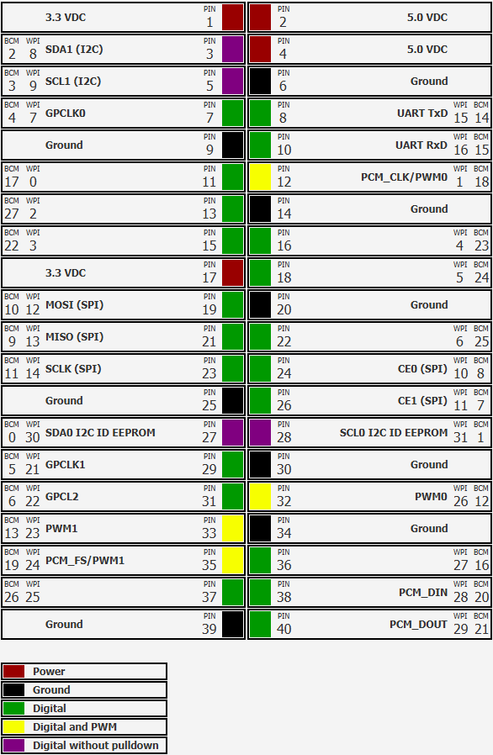
RPI | AGS HEADER | GPIO
2 | 15 | 3.3VDC
9 | 1 | GND
11 | 13 | GPIO 0
13 | 12 | GPIO 2
15 | 11 | GPIO 3
16 | 10 | GPIO 4
18 | 9 | GPIO 5
22 | 8 | GPIO 6
29 | 5 | GPIO 21
31 | 6 | GPIO 22
32 | 3 | GPIO 26
33 | 2 | GPIO 23
36 | 7 | GPIO 27
37 | 4 | GPIO 25

FINAL WIRING

RPI-AGS BOARD | GAMEBOY MOTHERBOARD
1 | GND to switch, other sw wire to charge controller
2 | TP6
3 | TP7
4 | TP5
5 | TP4
6 | TP2
7 | TP9
8 | TP0
9 | TP1
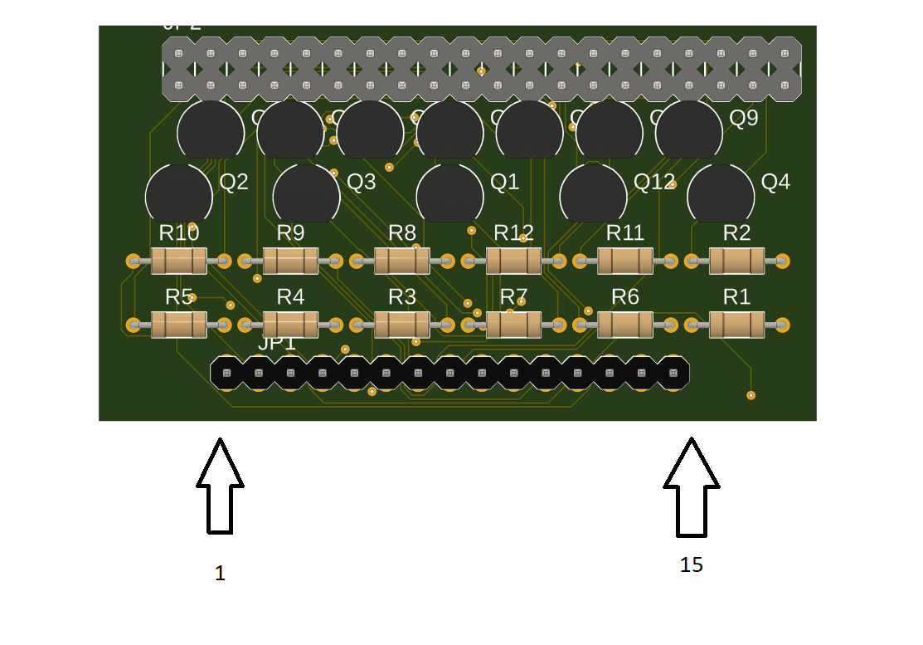
10 | TP3
11 | TP8
12
13
14
15 | 5v power to charge controller and R9

